Sheet1
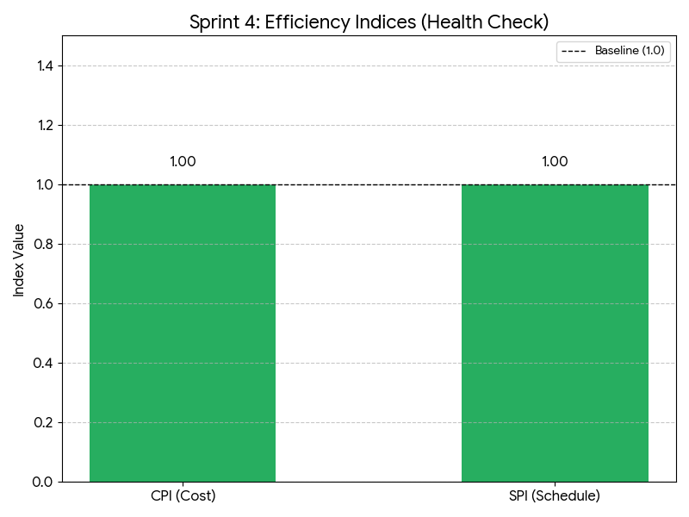
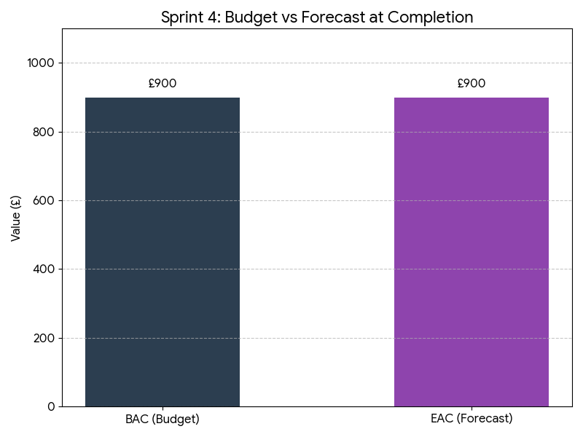
EVM Sprint 4

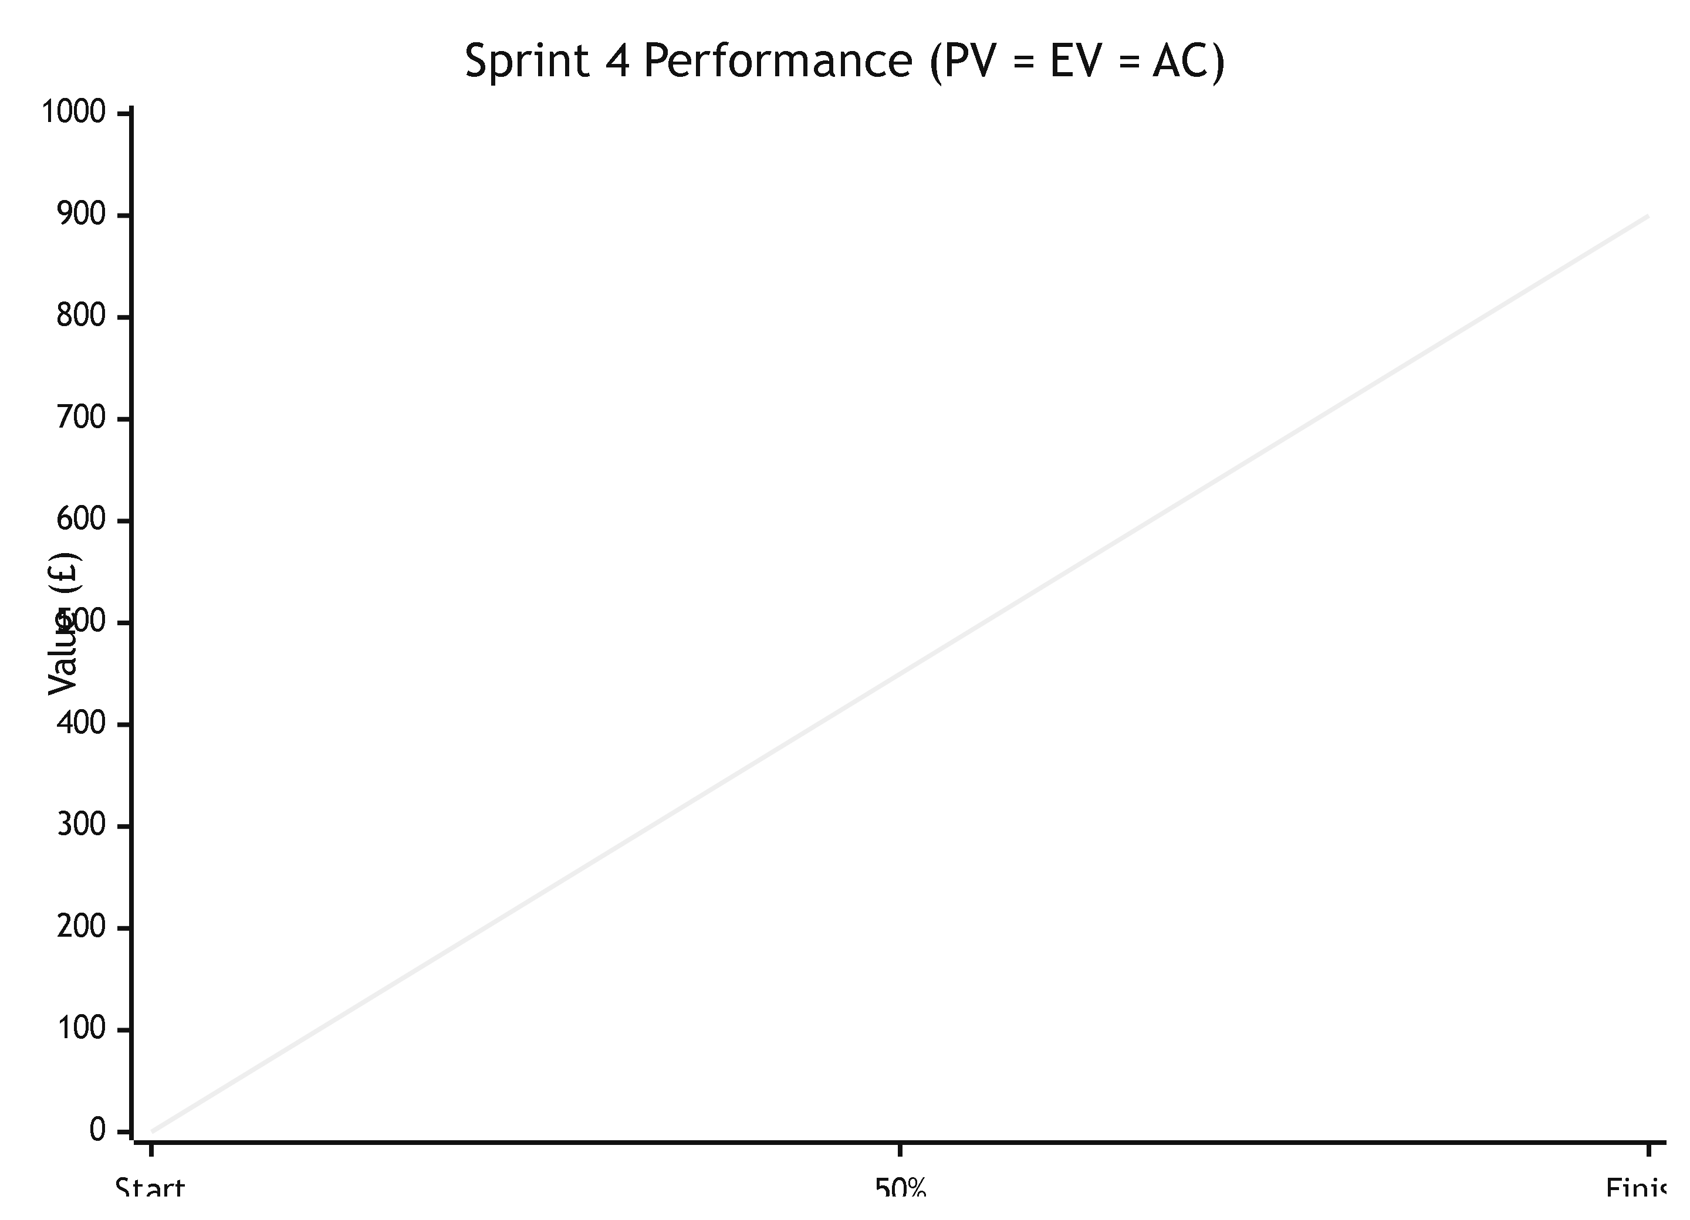
Metric | Value | Unit | Metric | Calculate
EV (Earned Value) | £900 | GBP | EV | PV to date * RP
PV (Planned Value) | £900 | GBP | PV
AC (Actual Cost) | £900 | GBP | AC
 |  |  | CV | EV-AC
CV (Cost Variance) | 0 | GBP | SV | EV-PV
SV (Schedule Variance) | 0 | GBP | CPI | EV/AC
 |  |  | SPI | EV/PV
CPI (Cost Performance Index) | 1 |  | BAC
SPI (Schedule Performance Index) | 1 |  | EAC | BAC/CPI
 |  |  | VAC | BAC-EAC
BAC (Budget at Completion) | £900 | GBP
EAC (Estimate at Completion) | 900 | GBP
VAC (Variance at Completion) | 0 | GBP

Total Planned Story Points | 70
Total Planned Hours | 60
Yearly Salary | £30,000
Hourly Rate | £15 | (£30000/52 weeks/40 hours)
Daily Rate | £15*4 = £60 | Each day counts as 4 hours
Cost per Point | (60*15)/70=£12.86 per point

Team Member | Units Contributed | Cost Contribution (£60/unit)
Raiyan | 5 | £300
Neel | 5 | £300
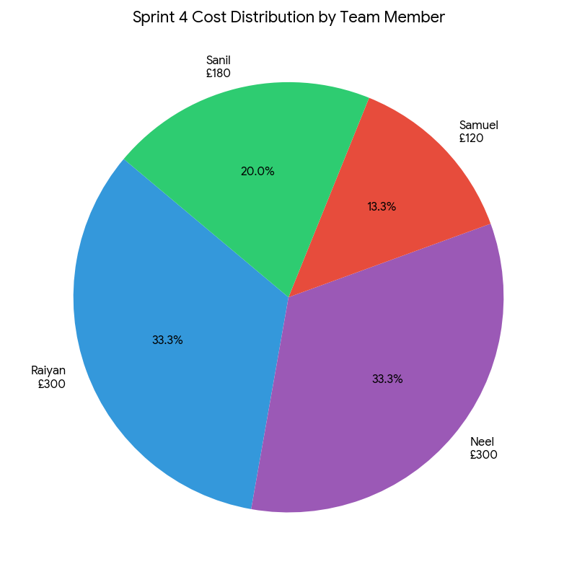
Samuel | 2 | £120
Sanil | 3 | £180
Total | 15 | £900

